Cover
Türk Telekom
2010 Q3 Financial Statements

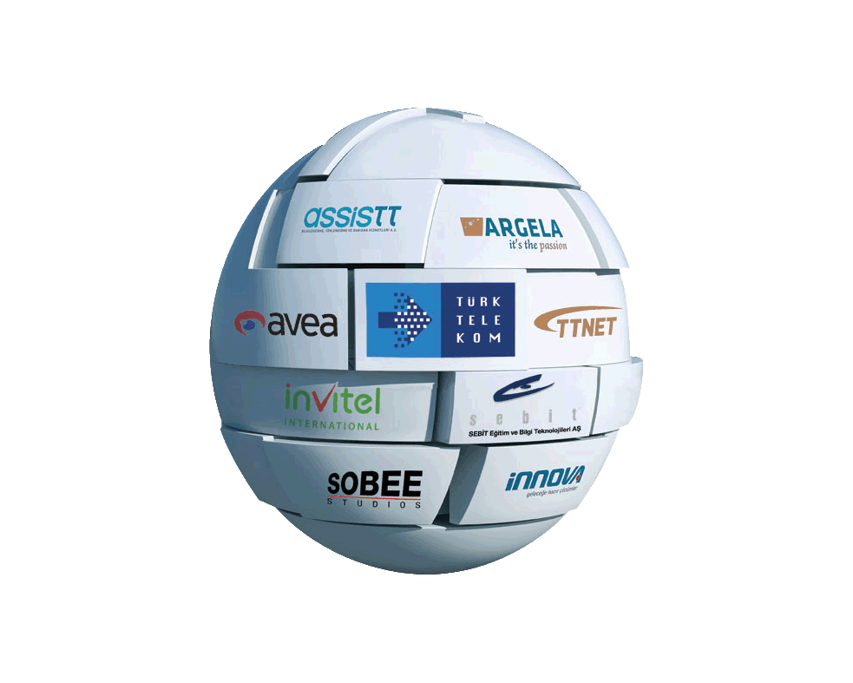

Türk Telekom Investor Relations

ir@turktelekom.com.tr
www.turktelekom.com.tr
+90 (212) 306 8080

Disclaimer: Data presented here is a convenient copy of data from the financial statements. While Turk Telekom takes reasonable care to ensure the accuracy of the information on this document, it shall not be held responsible for any losses or liabilities arising from the use of information. This file shall be used with the accompanying financial statements available on our website.

